SFICS vs CDG
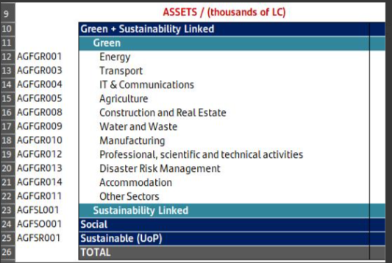
 |  |  | Categorias de CdG a dez/24
AGFGR001 | A.1. |  | AGFGR001
AGFGR003 | A.2. |  | NULL
AGFGR004 | A.10. |  | AGFGR003
AGFGR005 | A.7. |  | AGFGR002 | A.2
AGFGR008 | A.3 |  | AGFGR008
AGFGR009 | A.6. |  | AGFGR006 | A.3
AGFGR010 | A.8. |  | AGFGR007 | A.3
AGFGR012 |  |  | AGFGR009
AGFGR013 |  |  | AGFGR005
AGFGR014 |  |  | AGFGR010
AGFGR011 |  |  | AGFSO001
AGFSL001 | KPI Linked - Green |  | AGFSL001
AGFSL001 | Sustainability Linked Finance - Default
AGFSO001 | Building of healthcare facilities | 'Building of healthcare facilities',
AGFSO001 | Financing with preferential financial or payment terms to entities and individuals that have been impacted by natural, armed, health and/or human-made disasters, as well as severe socioeconomic situations. | 'Financing with preferential financial or payment terms to entities and individuals that have been impacted by natural, armed, health and/or human-made disasters, as well as severe socioeconomic situations.',
AGFSO001 | Health services | 'Health services',
AGFSO001 | Lending to non-profit organizations and charities that meet Banco Santanders guidelines and advance the green and social themes | 'Lending to non-profit organizations and charities that meet Banco Santanders guidelines and advance the green and social themes',
AGFSO001 | Research and develpment (R&D), pharmaceutical and medical manufacturing | 'Research and develpment (R&D), pharmaceutical and medical manufacturing',
AGFSO001 | Sports and cultural education centres | 'Sports and cultural education centres',
AGFSO001 | Student loans | 'Student loans',
AGFSR001

